Sheet1
No | Part Number | Brand | Partdesc_En | Partlongdesc_En | Pop | Qtyeach | Vehicle | Picture | Url
1 | 44136 | FS | Evaporator/Heater Core | Tube & Fin Evaporator Core/Heater Core Combination | F | 1 | Freightliner Century Class (03-00) Freightliner Columbia (03-00) | 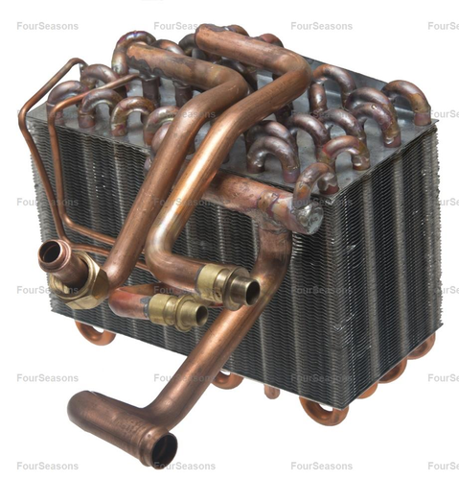 | https://www.4s.com/en/ecatalog?part=44136&type=p&search=s
2 | 86043 | FS | Heater Core Tube | Heater Core Tube | D | 1 | Nissan Frontier (04-01) Nissan Xterra (04-00) | 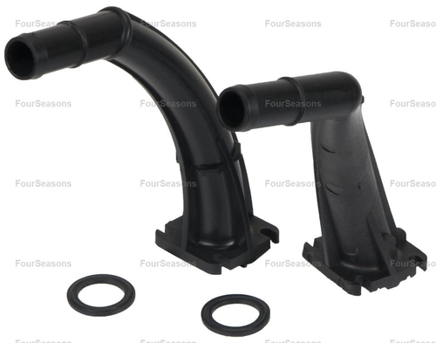 | https://www.4s.com/en/ecatalog?part=86043&type=p&search=s
3 | 90001 | FS | Heater Core /Aluminum | Aluminum Heater Core | A | 1 | Ford Expedition (01-97) Ford F-150 (03-97) Ford F-150 Heritage (04) Ford F-250 (03-97) Ford F-350 (98), (03-00) Ford Lobo (03-97) Lincoln Blackwood (03-02) Lincoln Navigator (02-98) | 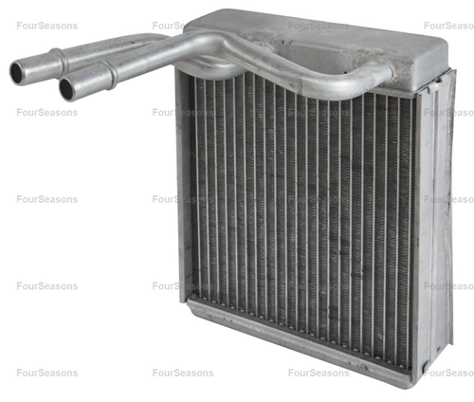 | https://www.4s.com/en/ecatalog?part=93001&type=p&search=s
4 | 90002 | FS | Heater Core /Aluminum | Aluminum Heater Core | F | 1 | Nissan Altima (97-93) | 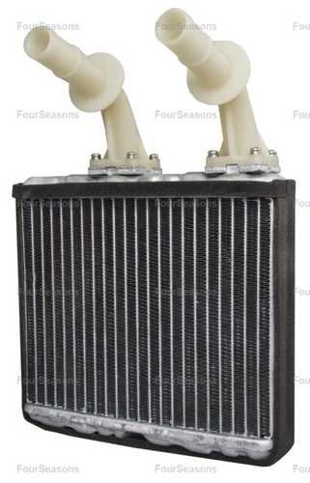 | https://www.4s.com/en/ecatalog?part=93002&type=p&search=s
5 | 90003 | FS | Heater Core /Aluminum | Aluminum Heater Core | D | 1 | Ford Expedition (98-97) Lincoln Navigator (98) | 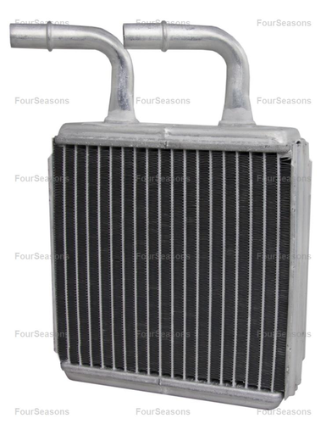 | https://www.4s.com/en/ecatalog?part=93003&type=p&search=s
6 | 90004 | FS | Heater Core /Aluminum | Aluminum Heater Core | A | 1 | Ford Excursion (02-00) Ford F-250 Super Duty (03-99) Ford F-350 Super Duty (03-99) Ford F-450 Super Duty (03-98) Ford F-550 Super Duty (03-99) Ford F-650 (03-00) Ford F-750 (03-00) | 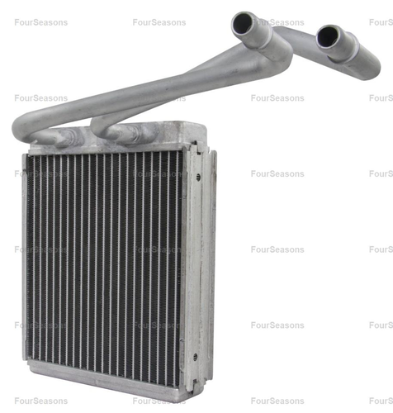 | https://www.4s.com/en/ecatalog?part=93004&type=p&search=s
7 | 90005 | FS | Heater Core /Aluminum | Aluminum Heater Core | C | 1 | Lincoln Town Car (02-98) | 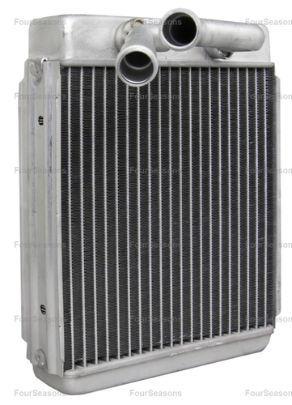 | https://www.4s.com/en/ecatalog?part=93005&type=p&search=s
8 | 90007 | FS | Heater Core /Aluminum | Aluminum Heater Core | A | 1 | Ford Contour (95) Ford Sable (01-96) Ford Taurus (07-96) Lincoln Continental (02-95) Mercury Sable (05-96) | 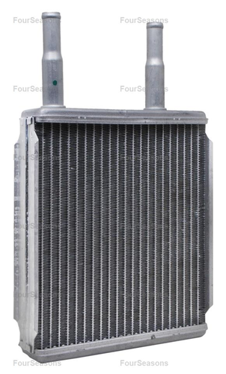 | https://www.4s.com/en/ecatalog?part=93007&type=p&search=s
9 | 90009 | FS | Heater Core /Aluminum | Aluminum Heater Core | C | 1 | Ford Excursion (05-00) Ford Expedition (06-99) Ford Explorer (10-02) Ford Explorer Sport Trac (10-07) Ford Freestar (07-04) Ford Windstar (03-99) Lincoln Aviator (05-03) Lincoln Navigator (06-99) Mercury Monterey (07-04) Mercury Mountaineer (10-02) | 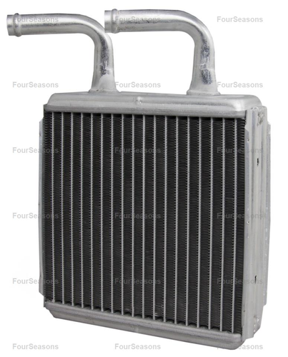 | https://www.4s.com/en/ecatalog?part=93009&type=p&search=s
10 | 90010 | FS | Heater Core /Aluminum | Aluminum Heater Core | A | 1 | Ford Explorer (01-95) Ford Explorer Sport (03-01) Ford Explorer Sport Trac (05-01) Ford F-100 Ranger (01-96) Ford Ranger (11-95) Mazda B2300 (97-95), (10-01) Mazda B2500 (01-98) Mazda B3000 (08-95) Mazda B4000 (10-95) Mercury Mountaineer (01-97) | 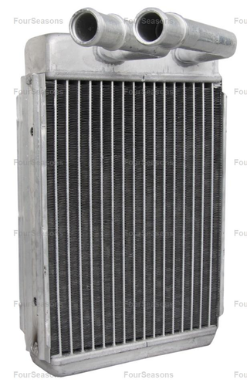 | https://www.4s.com/en/ecatalog?part=93010&type=p&search=s

